Layout
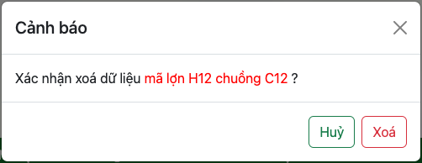
7.2.1. Thông tin Khám chữa trị

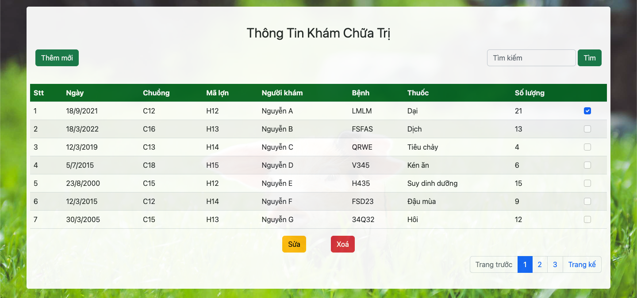

7.2.3. Xoá lịch sử khám chữa trị

